Analyses
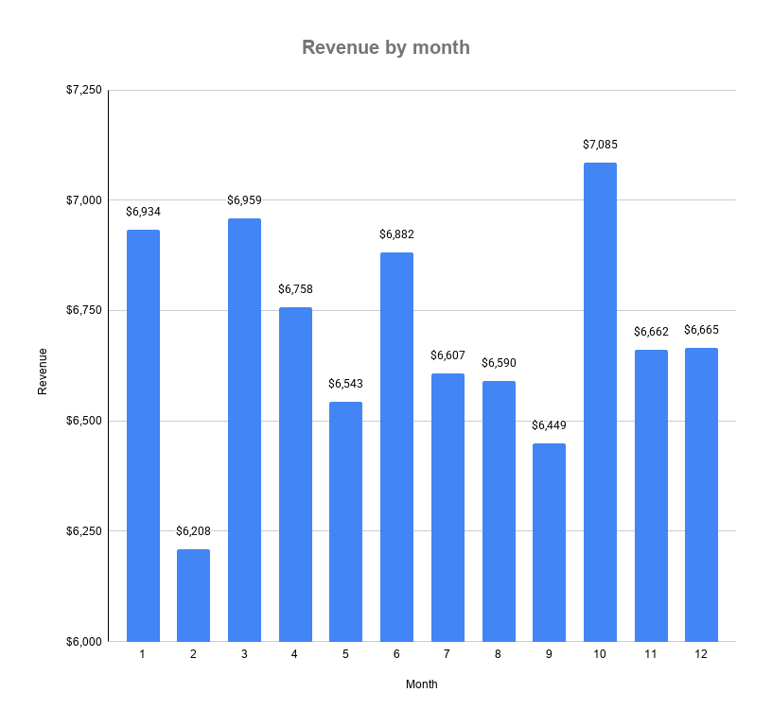
Aggregate quantity and total_spent by item_category |  |  | Revenue by month
item_category | quantity_purchased | revenue | year_num | month_num | revenue
Sandwich | 6,499.00 | 25,996.00 | 2023 | 1 | 6934
Cake | 6,668.00 | 20,004.00 | 2023 | 2 | 6208
Salad | 3,644.00 | 18,220.00 | 2023 | 3 | 6959
Coffee | 3,766.00 | 7,532.00 | 2023 | 4 | 6758
Tea | 3,441.00 | 5,161.50 | 2023 | 5 | 6542.5
Cookie | 3,427.00 | 3,427.00 | 2023 | 6 | 6882
 |  |  | 2023 | 7 | 6606.5
 |  |  | 2023 | 8 | 6589.5
Annual revenue by item category
 |  |  | 2023 | 9 | 6449
 |  |  | 2023 | 10 | 7085
 |  |  | 2023 | 11 | 6662
 |  |  | 2023 | 12 | 6665

